Assignment 2a
Screenshot #1: | 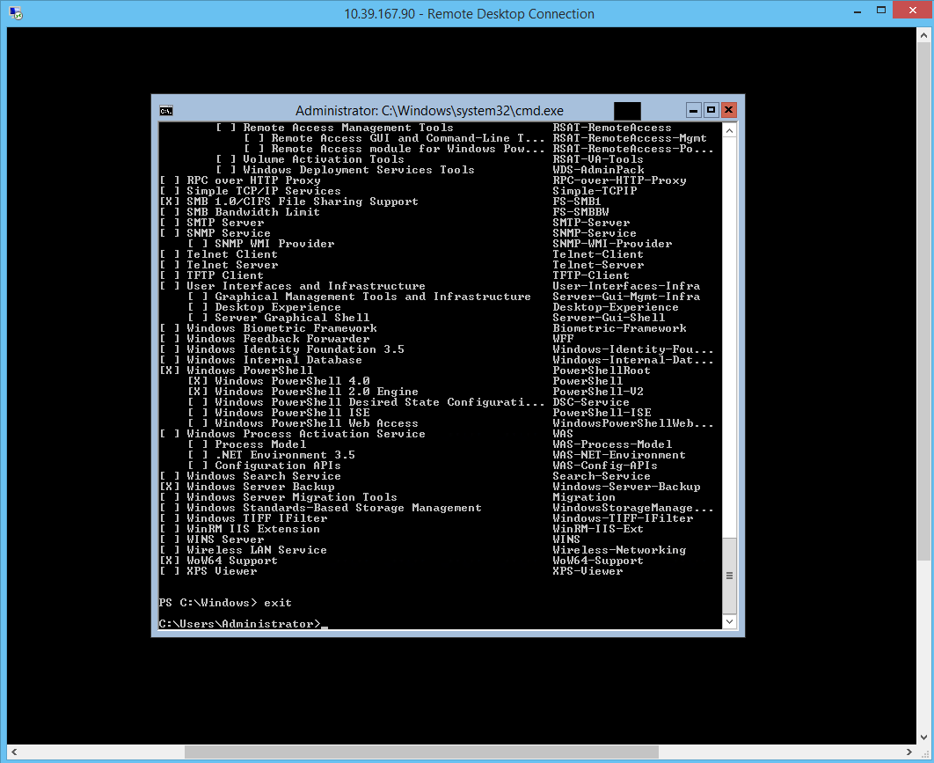
Answer to question #1: | Scheduled tasks, and applications running on the server might be affected by the incorrect region or timezone, errors may occur.
Answer to question #2: | selecting a different server from the server pool when adding roles
Answer to question #3: | 1: check server manager for IIS on the left side 2: poweshell script command `Get-WindowsFeature -Name *iis*` 3: controle panel, add/Remove programs, add remove windows components,
Lab Challenge procedure: | Install-WindowsFeature Server-Gui-Mgmt-Infra,Server-Gui-Shell
 | Get-WindowsFeature *iis*,Windows-Server-Backup,internet-print-cient,gpmc,Print-Services | Uninstall-WindowsFeature

